Sheet1
 | Implementation of QBO in .net core

1 - | Create a demo app on the Intuit Developer Portal | link
 |  | https://developer.intuit.com/app/developer/qbo/docs/get-started/build-your-first-app

 | 2 - Select the Dashboard link on the toolbar.
 | 3- Select the Accounting scope from the Select a scope dropdown.
 | 4- Get the demo app’s credentials
 | 5-Go to the Development section and select Keys & OAuth.
 | 6-Copy the Client ID and Client Secret.

**** | Set callback routes in oauth0 and keys section
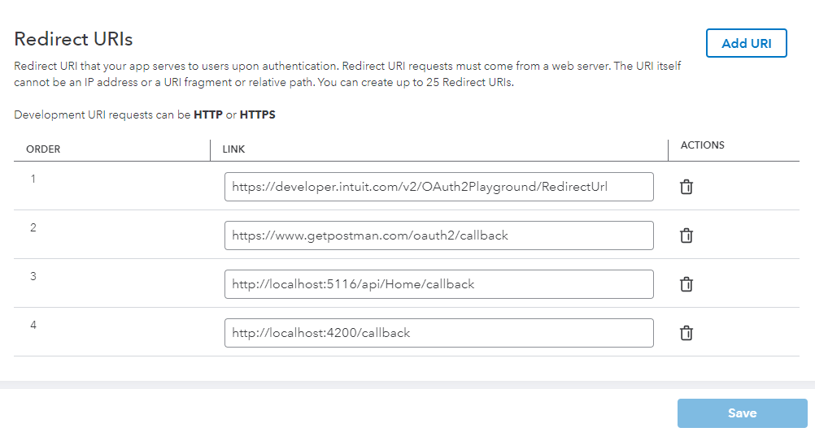

 | Implementation step

 | Authorization by qbo
 | get token from calll callbackfunc with the help of authorizationCode
 | with the help of token get details

